Notes
CLEAN THE DATA - Delete unnecassry columns now
Label this row with each column as either dimension or fact.
Copy and paste the first few rows of what you're wanting/needing

Go TO SQL - Create new data base

Got to Visualization: Create new project

Select this one:
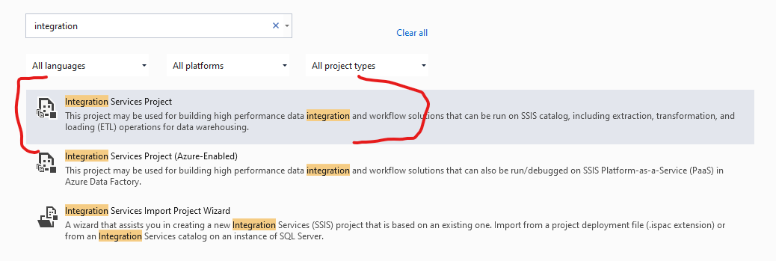

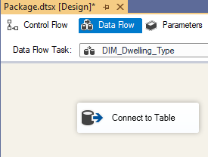
Connect to table:

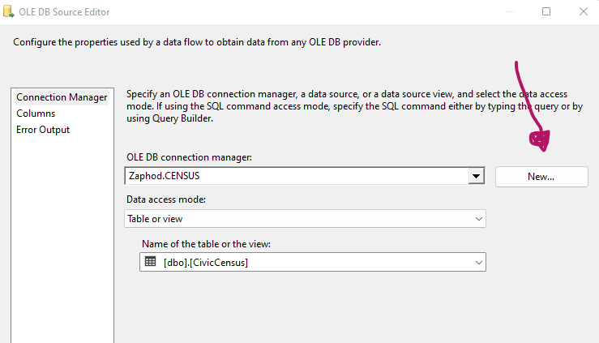

Drag and drop in the Sort Function. Rename for organization purposes | Double Click to select the correct input column

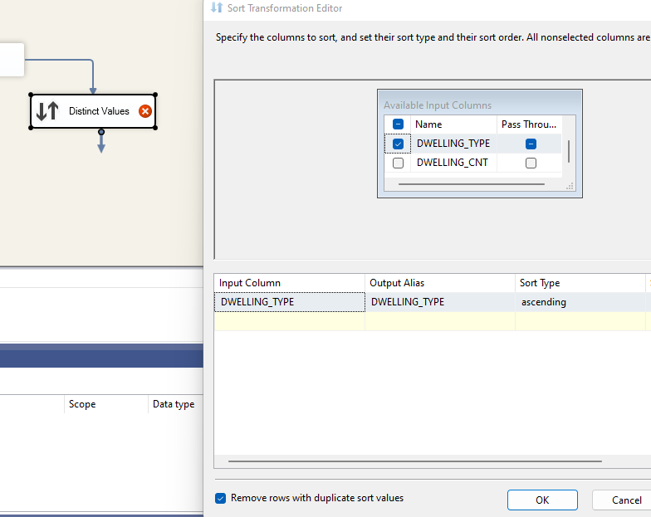

Drag and drop the Derived column option and rename

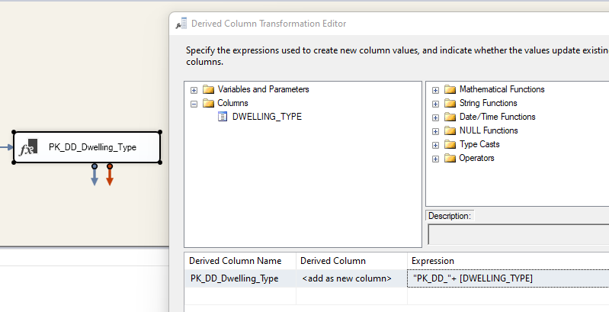

Drag in OLE DB Destination - rename for the table you want to create. Organize the columns in a smart way. Select "New" From the

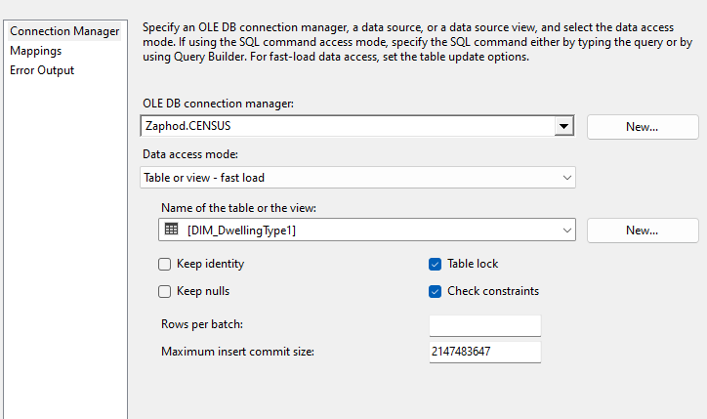

Check Mapping before clicking okay out of the menu above

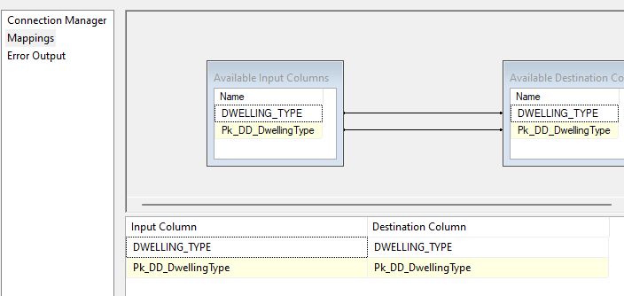
 |  | Does this make sense? Is it doing what I want/need it to do?

Repeat until all columns are done

Create the Fact Table

Drag in another Data flow task - Rename and connect all columns to this table

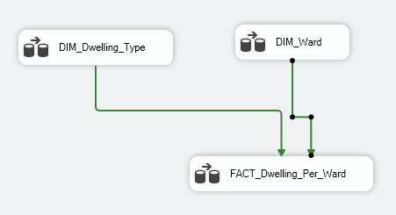

Select the fact table and do the following steps

Bring in "Lookup"

"Use table or view - select the table you need

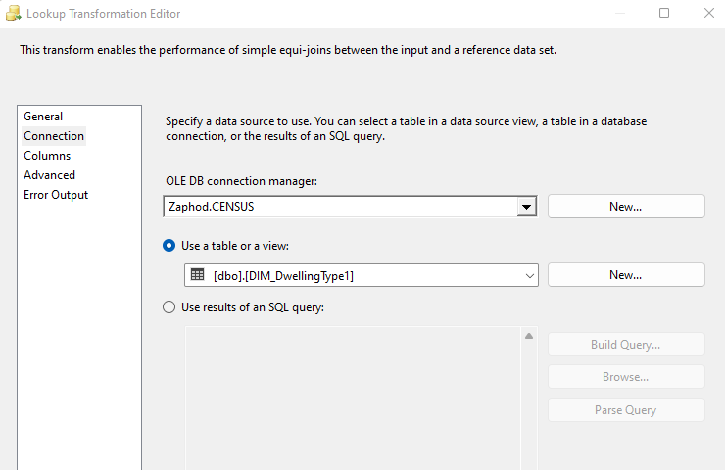

Do the mappings in the "columns section"

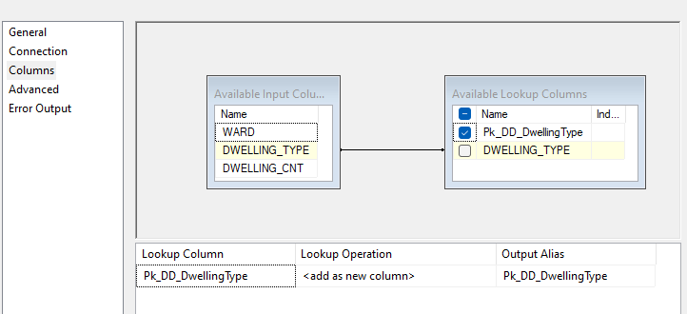

 |  | Do this for all created tables

